1. Title Page
INSTACART GROCERY BASKET ANALYSIS

Project Name: Instacart Grocery Basket Analysis
Date: September 15th, 2023
Analyst Name: Euikyu Kim

Contents:
Population Flow
Consistency checks
Wrangling steps
Column derivations
Visualizations
Recommendations

2. Population Flow
Title page

Population flow

Exclusion flag
Condition: max_order <
Obervations to be removed:
Final total count of order_products_all:

Orders_products_combined
Orders_products_merged
Orders_products_all

Total: 32,434,212
Total: 32,434,489
Total: 32,434,212

1.) The grey boxes in the first row of the population flow represent the original data sets as they were when you downloaded them. In the Total fields you need to add the count of the rows when you imported the data set into Jupyter.
2.) The second row of boxes (coloured) represents the data sets after you manipulated them, e.g., removed missing values and duplicates. In the Total fields you need to add the count of the rows after conducting these operations. This offers a visual oveview of how the data flows throughout the data consistency checks.
3.) The third row, where also the arrows are coloured, represents the merges you performed between the datasets. In the Total fields you need to add the count of the rows in the merged datasets, so that you end up with the final dataset (in the red box). Keep in mind the final dataset should be without exclusions (based on the exclusion flag).

3. Consistency checks
 |  |  |  | Title page
Consistency checks

Dataset | Missing values | Missing values treatment | Duplicates
orders | 206,209 of null values in 'days_since_prior_order' | IGNORE: They seem new customers. | No duplicates
products | 16 of null values in 'product_name' | DELETE: Since the 16 null values take only 0.03% of the whole dataset, 49,693, its effectiveness is insignificant. However, the numbers without 'product_name' might affect analysis. | DELETE: 5 duplicates
orders_products_prior | No missing values | No missing values | No duplicates
customers | 11,259 of null values in 'First_name' | IGNORE: Numbers without 'First_name' might not affect analysis. | No duplicates

4. Wrangling steps
 |  |  |  | Title page
Wrangling steps

Columns dropped | Columns renamed | Columns type changed | Comment/Reason
eval_set' (orders) |  |  | Unnecessary column
 | First Name' to 'first_name' (customers) |  | Style constant (all small letters, underbars in lieu of spaces.)
 | Surnam' to 'last_name' (customers) |  | Style constant (all small letters, underbars in lieu of spaces.)
 | Gender' to 'gender' (customers) |  | Style constant (all small letters, underbars in lieu of spaces.)
 | STATE' to 'state' (customers) |  | Style constant (all small letters, underbars in lieu of spaces.)
 | Age' to 'age' (customers) |  | Style constant (all small letters, underbars in lieu of spaces.)
 | n_dependants' to 'numb_of_dependants' (customers) |  | Illogical name
 | fam_status' to 'marital_status' (customers) |  | Clarity of name
 | order_dow' to 'orders_day_of_week' (orders) |  | Illogical name
 | 'order_number' to 'number_of_orders' (orders) |  | Illogical name
 |  | order_id (orders) | to string (or object)
 |  | first_name' (customers) | mixed-type to string (or object)
 |  | product_name' (orders_products_merge) | mixed-type to string (or object)
 |  | order_frequency_flag' (orders_products_merge) | mixed-type to string (or object)
 |  |  | Dropped the rows with abnormal numbers; 99999 and 14900 in 'prices' column (orders_products_merge)

5. Column derivations
 |  |  |  | Title page

Column derivations and aggregations

In this tab you should add tables below that the frequences of flags/label variables that you produced after deriving them. NB: don't do this for continuous variables, only for flags.
Dataset | New column | Column/s it was derived from | Conditions
[4.6] df_merged | _merge
[4.7] ords_prods_merge | price_range | prices price_label | Low range product : prices <= 5 Mid range product : prices > 5 & prices <= 15 High range product : prices > 15
 | busiest_day | orders_day_of_week | Busiest day : value == 0 Least busy : value == 4 Regularly busy : value == 1 or 2 or 3 or 5 or 6
 | busiest_days | orders_day_of_week | Busiest days : value == 0 or 1 Slowest days : value == 3 or 4 Regularly days : value == 2 or 5 or 6
 | busiest_period_of_day | order_hour_of_day | most orders : value in [9,10,11,12,13,14,15,16,17] fewest orders : value in [0,1,2,3,4,5,6,23] average orders : value in [7,8,18,19,20,21,22]
[4.8] ords_prods_merge | loyalty_flag
 | spending_flag | mean_price | Low spender : mean_price < 10 High spender : mean_price >= 10
 | order_frequency_flag | days_since_prior_order | Non-frequent customer : value > 20 Regular customer : 10 < value <= 20 Frequent customer : value <= 10
[4.10] df_merge | region | state | Northeast : 'Maine', 'New Hampshire', 'Vermont', 'Massachusetts', 'Rhode Island', 'Connecticut', 'New York', 'Pennsylvania', 'New Jersey' Midwest : 'Wisconsin', 'Michigan','Illinois', 'Indiana', 'Ohio', 'North Dakota', 'South Dakota', 'Nebraska', 'Kansas', 'Minnesota', 'Iowa', 'Missouri' South : 'Delaware', 'Maryland', 'District of Columbia', 'Virginia', 'West Virginia', 'North Carolina', 'South Carolina', 'Georgia', 'Florida', 'Kentucky', 'Tennessee', 'Mississippi', 'Alabama', 'Oklahoma', 'Texas', 'Arkansas', 'Louisiana' West : 'Idaho', 'Montana', 'Wyoming', 'Nevada', 'Utah', 'Colorado', 'Arizona', 'New Mexico', 'Alaska', 'Washington', 'Oregon', 'California', 'Hawaii'
 | age_group | age | 18-24 : value <= 24 25-34 : 25 < value < 34 35-44 : 35 < value < 44 45-54 : 45 < value < 54 55-64 : 55 < value < 64 65-74 : 65 < value < 74 75+ : value > 75
 | income_group | income | Low-income : 25,900 <= value < 100,000 Mid-income : 100,000 <= value <= 200,000 High-income : value > 200,000
 | family_type | marital_status numb_of_dependants | Single-family : 'marital_status' isin ['divorced/widowed','single','living with parents and siblings'] & 'numb_of_dependants' == 0 Single-parent-family : 'marital_status' isin ['divorced/widowed','single','living with parents and siblings'] & 'numb_of_dependants' > 0 Childless-family : 'marital_status' == married & 'numb_of_dependants' == 0 Nuclear-family : 'marital_status' == married & 'numb_of_dependants' <= 2 Extended-family : 'marital_status' == married & 'numb_of_dependants' > 2

6. Visualizations
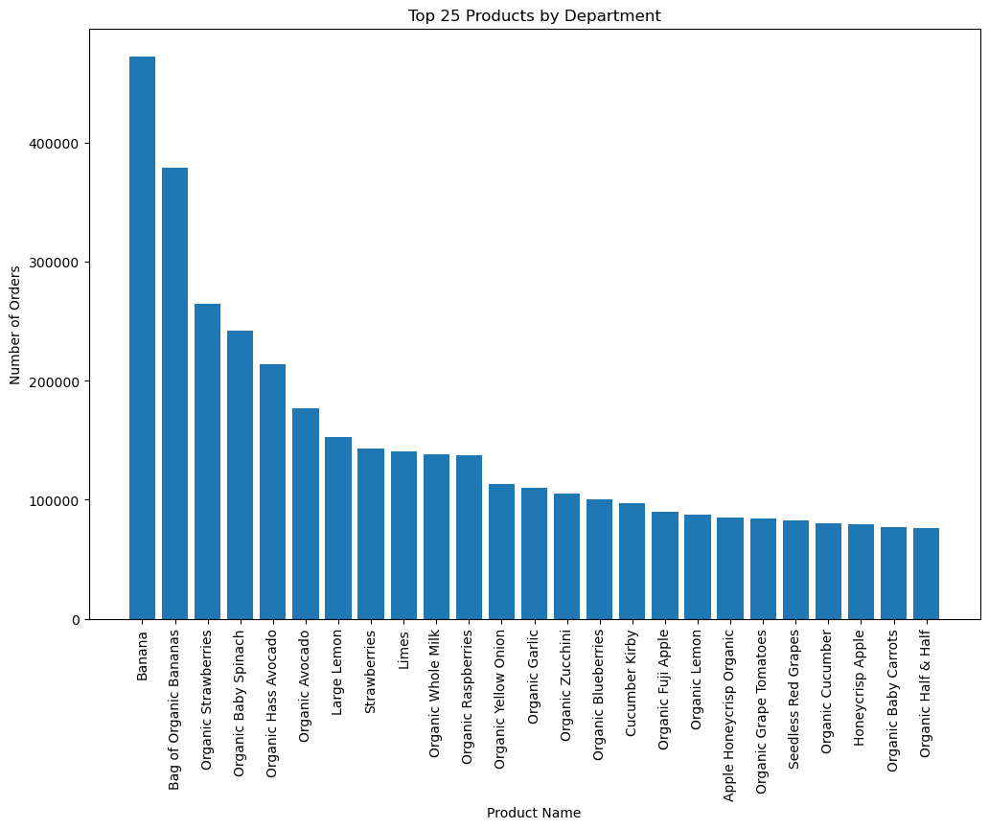
In this tab you should include all the visualtions from Exercises 4.9 and 4.10, alongside the questions from the project brief that they answer. Include any commentary on the relationship between different variables.
Title page
Visualisations

1. The sales team needs to know what the busiest days of the week and hours of the day are.
(i.e., the days and times with the most orders) in order to schedule ads at times when there are fewer orders.

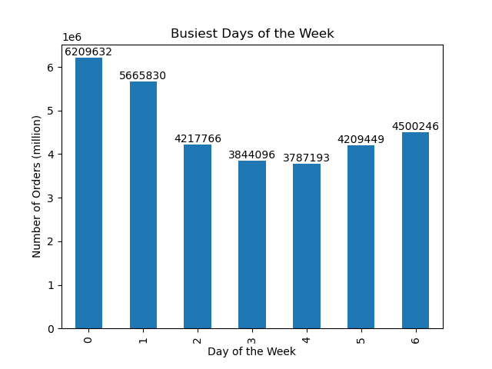
Busiest Days of the Week
Day of the Week
0 - Saturday
1 - Sunday
2 - Monday
3 - Tuesday
4 - Wednesday
5 - Thursday
6 - Friday
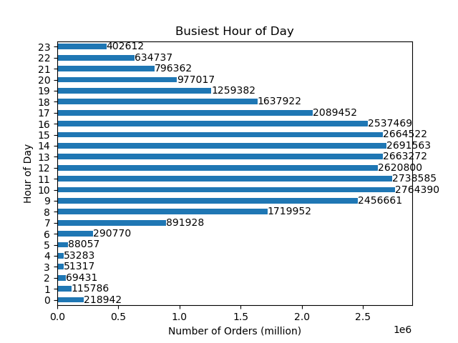
Busiest Hour of Day

2. They also want to know whether there are particular times of the day when people spend the most money,
(as this might inform the type of products they advertise at these times.)


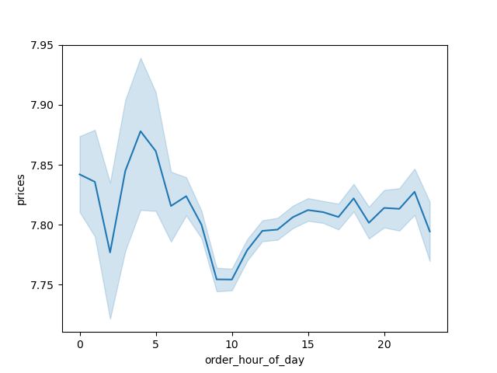
Average Prices by Hour of the Day

3. Marketing and sales want to use simpler price range groupings to help direct their efforts.
(Instacart has a lot of products with different price tags.)
count 3.099266e+07
mean 7.795261e+00
std 4.241616e+00
min 1.000000e+00
25% 4.200000e+00
50% 7.400000e+00
75% 1.130000e+01
max 2.500000e+01


Frequency by the Prices
Prices

4. Are there certain types of products that are more popular than others?
(The marketing and sales teams want to know which departments have the highest frequency of product orders.)

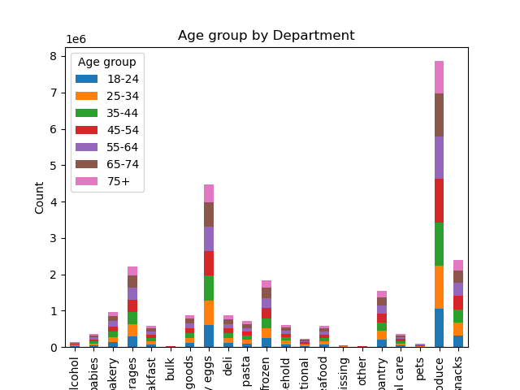
Frequency (million)
babies
bakery
beverages
breakfast
bulk
canned goods
dairy eggs
deli
dry goods pasta
frozen
household
international
meat seafood
missing
other
pantry
personal care
pets
produce
snacks
alcohol
Frequency by the Department by the Age Group
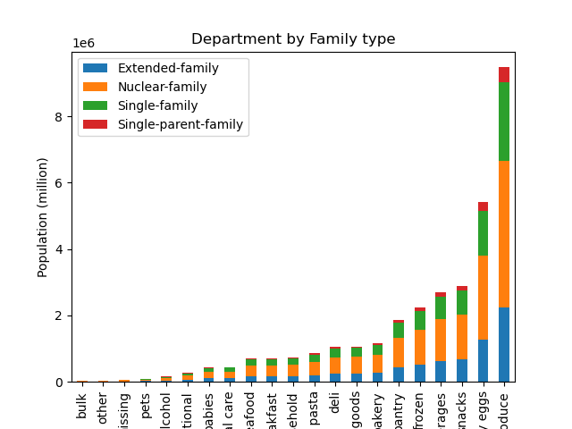
household
missing
alcohol
babies
bakery
beverages
breakfast
bulk
canned goods
dairy eggs
deli
dry goods pasta
frozen
international
meat seafood
other
pantry
personal care
pets
produce
snacks
Frequency (million)
Frequency by the Department by the Family Type
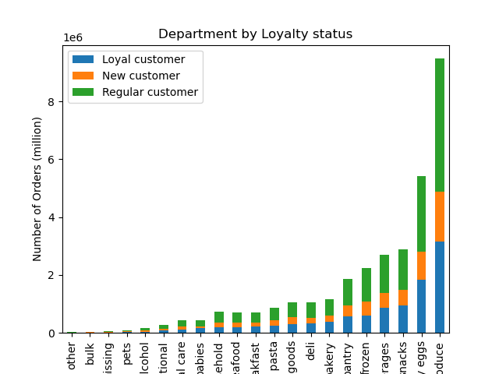
breakfast
other
household
missing
alcohol
babies
bakery
beverages
bulk
canned goods
dairy eggs
deli
dry goods pasta
frozen
international
meat seafood
pantry
personal care
pets
produce
snacks
Frequency (million)
Frequency by the Department by the Customer's Loyalty
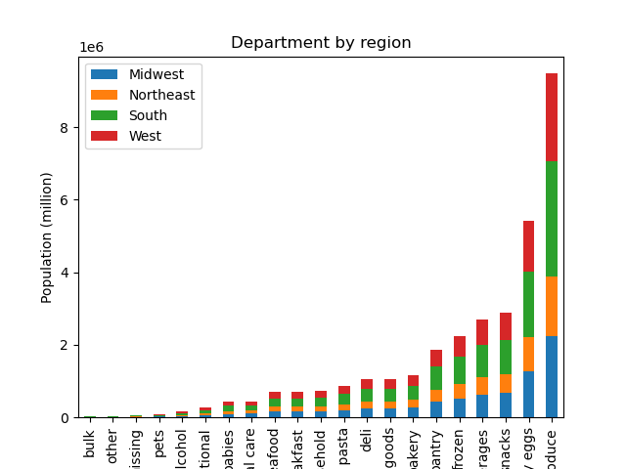
household
missing
alcohol
babies
bakery
beverages
breakfast
bulk
canned goods
dairy eggs
deli
dry goods pasta
frozen
international
meat seafood
other
pantry
personal care
pets
produce
snacks
Frequency (million)
Frequency of the Department by the Region

5. The marketing and sales teams are particularly interested in the different types of customers in their system,
and how their ordering behaviors differ. For example:
5.1. What’s the distribution among users in regards to their brand loyalty?
(i.e., how often do they return to Instacart)?
- Frequency by the Loyalty Group:

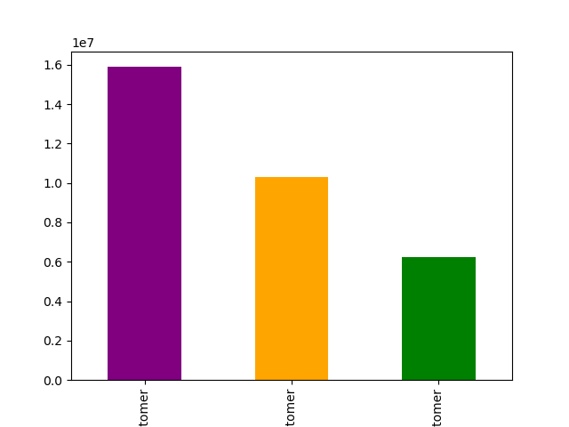
Loyal customer
New customer
Regular customer
Frequency (million)
Frequency by the Loyalty Group

5. The marketing and sales teams are particularly interested in the different types of customers in their system,
and how their ordering behaviors differ. For example:
5.2. Are there differences in ordering habits based on a customer’s loyalty status?

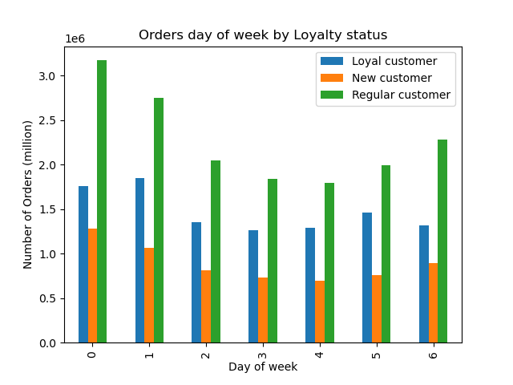
Sat Sun Mon Tue Wed Thu Fri
Day of the Week
Frequency (million)
Daily Frequency
by the Loyalty Group
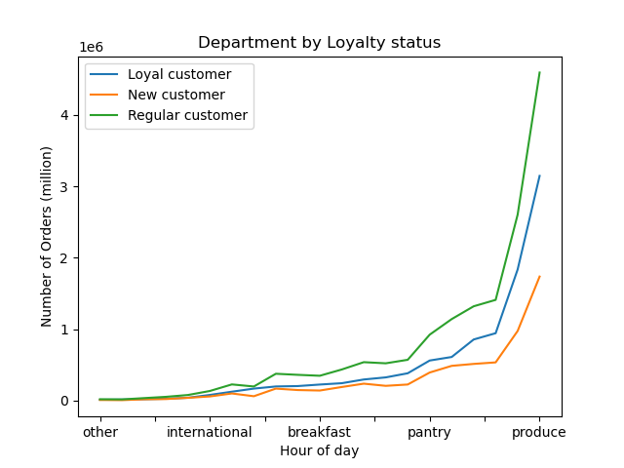
Frequency (million)
Freqouency of Department
by the Loyalty Group
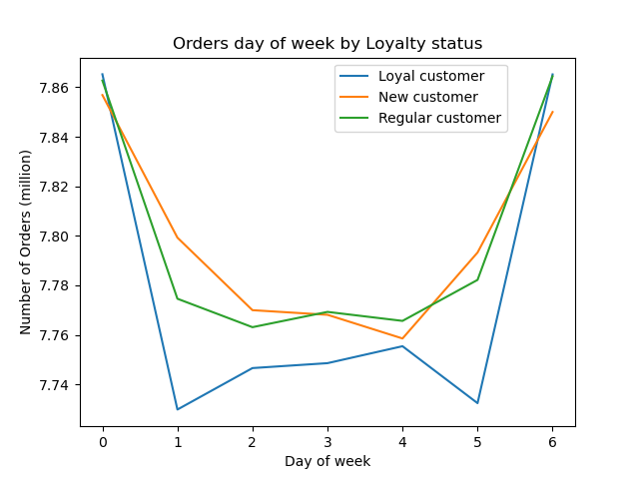
Average Prices ($)
Sat Sun Mon Tue Wed Thu Fri
Day of the Week
Daily Average Price
by the Loyalty Group
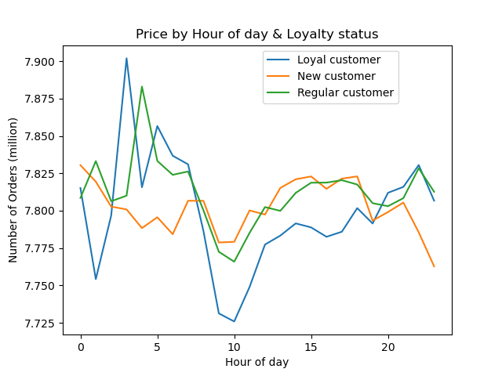
0 1 2 3 4 5 6 7 8 9 10 11 12 13 14 15 16 17 18 19 20 21 22 23
Hour of the Day
Prices ($)
Hourly Average Prices of the Day
by the Loyalty Group
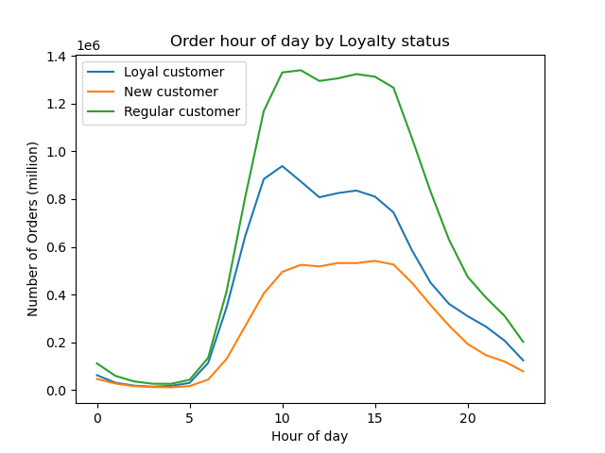
Frequency (million)
Hourly
Order Freqouency
by the Loyalty Group
0 1 2 3 4 5 6 7 8 9 10 11 12 13 14 15 16 17 18 19 20 21 22 23
Hour of the Day
breakfast
other
household
missing
alcohol
babies
bakery
beverages
bulk
canned goods
dairy eggs
deli
dry goods pasta
frozen
international
meat seafood
pantry
personal care
pets
produce
snacks
Frequency (million)
Frequency by the Department by the Customer's Loyalty

5. The marketing and sales teams are particularly interested in the different types of customers in their system,
and how their ordering behaviors differ. For example:
5.3. Are there differences in ordering habits based on a customer’s region?

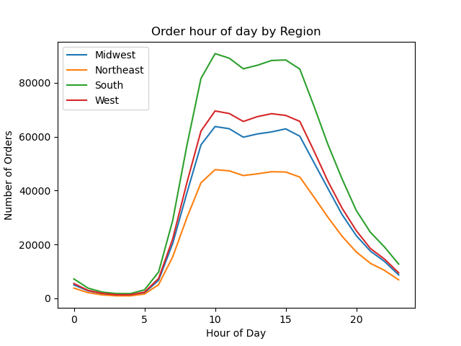
Frequency
0 1 2 3 4 5 6 7 8 9 10 11 12 13 14 15 16 17 18 19 20 21 22 23
Hour of the Day
Hourly
Order Freqouencies
by the Region
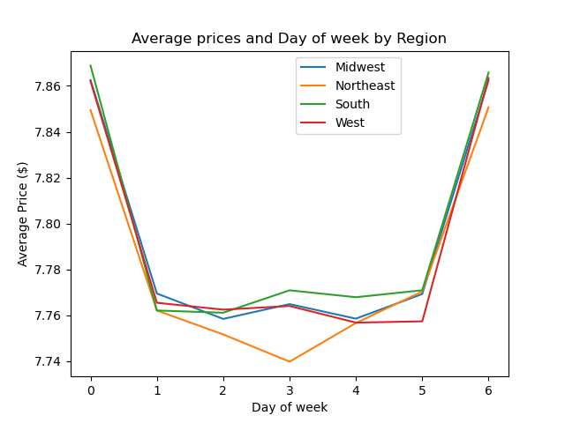
Average Prices ($)
Sat Sun Mon Tue Wed Thu Fri
Day of the Week
Daily Average Prices
by the Region
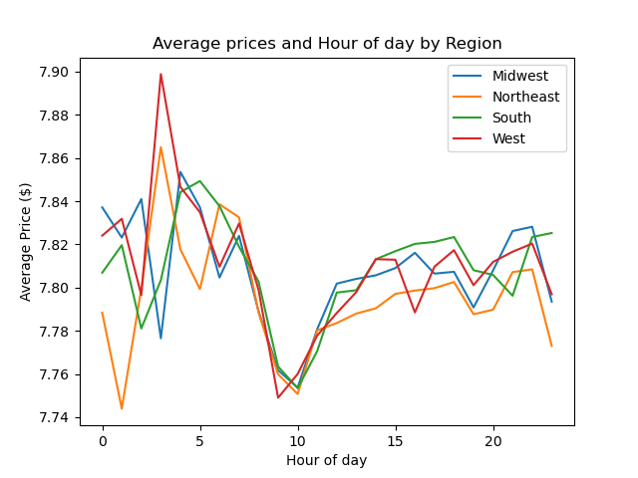
0 1 2 3 4 5 6 7 8 9 10 11 12 13 14 15 16 17 18 19 20 21 22 23
Hour of the Day
Average Prices ($)
Hourly Average Prices of the Day
by the Region
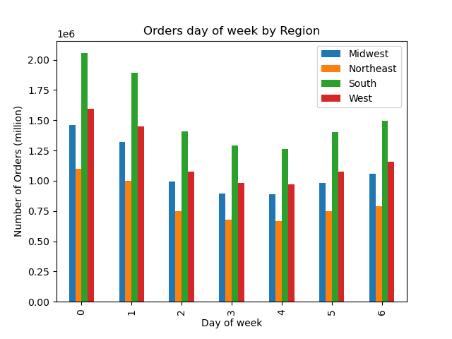
Frequency (million)
Sat Sun Mon Tue Wed Thu Fri
Day of the Week
Weekly Frequencies
by the Region
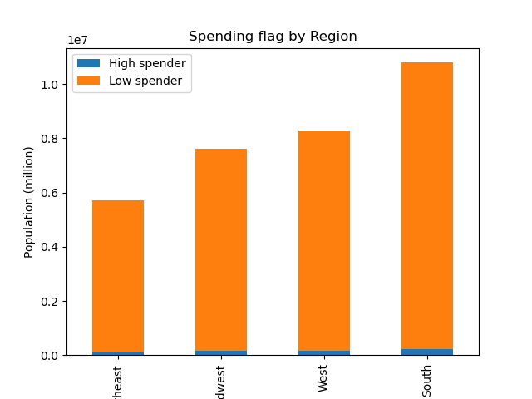
South
Midwest
West
Northeast
Spending Frequencies
by the Region
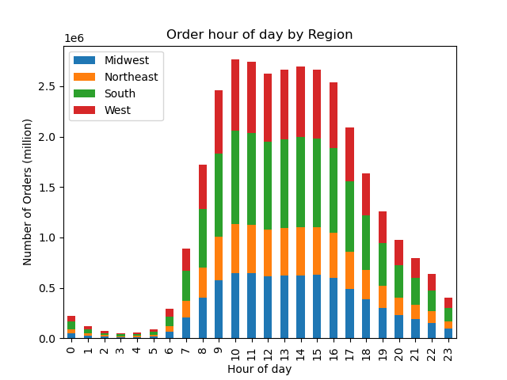
Frequency
0 1 2 3 4 5 6 7 8 9 10 11 12 13 14 15 16 17 18 19 20 21 22 23
Hour of the Day
Hourly
Order Freqouencies
by the Region

5. The marketing and sales teams are particularly interested in the different types of customers in their system,
and how their ordering behaviors differ. For example:
5.4. Is there a connection between age and family status in terms of ordering habits?

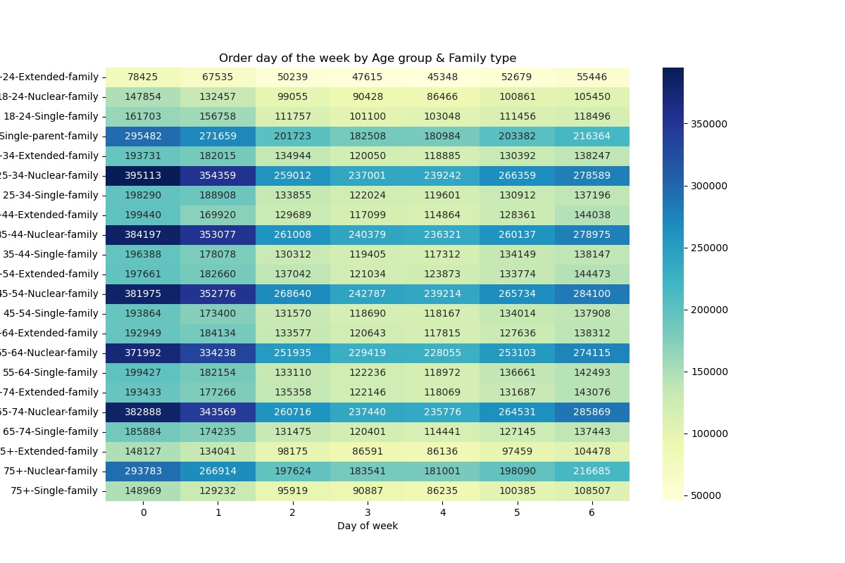
75+ / Extended-family
/ Nuclear-family
/ Single-family
65-74 / Extended-family
/ Nuclear-family
/ Single-family
55-64 / Extended-family
/ Nuclear-family
/ Single-family
45-54 / Extended-family
/ Nuclear-family
/ Single-family
35-44 / Extended-family
/ Nuclear-family
/ Single-family
25-34 / Extended-family
/ Nuclear-family
/ Single-family
18-24 / Extended-family
/ Nuclear-family
/ Single-family
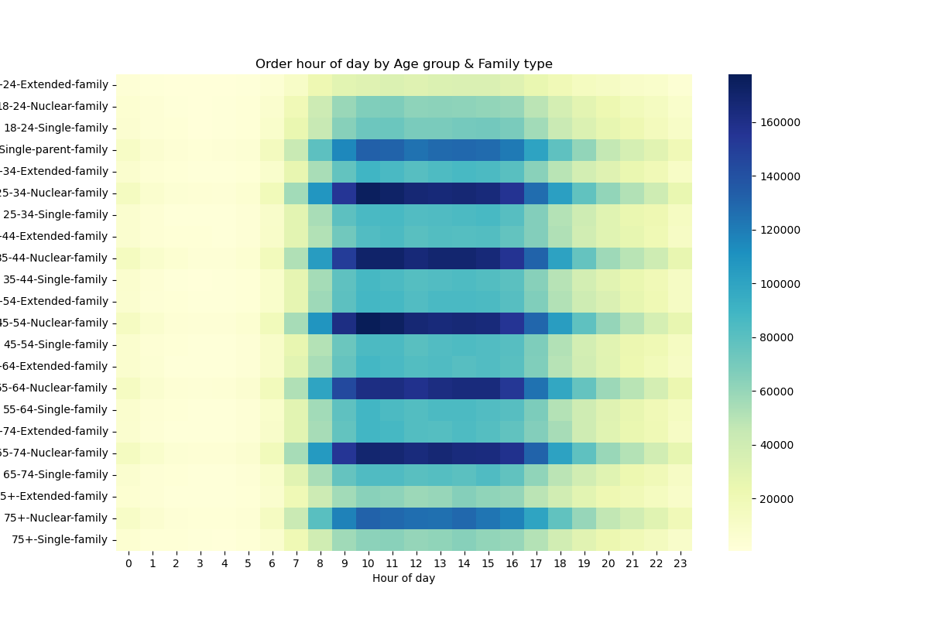

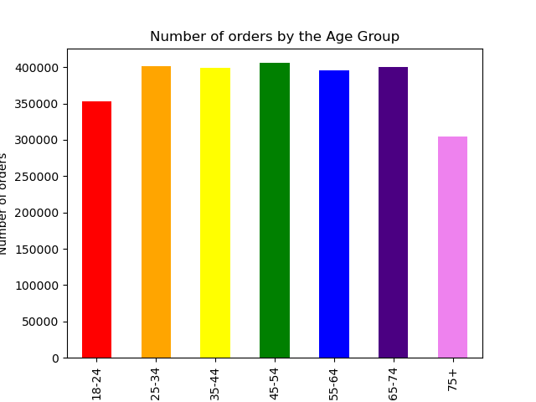
Frequency
18-24 25-34 35-44 45-54 55-64 65-74 75+
Age Group (years old)
Frequencies of Order by the Age Group
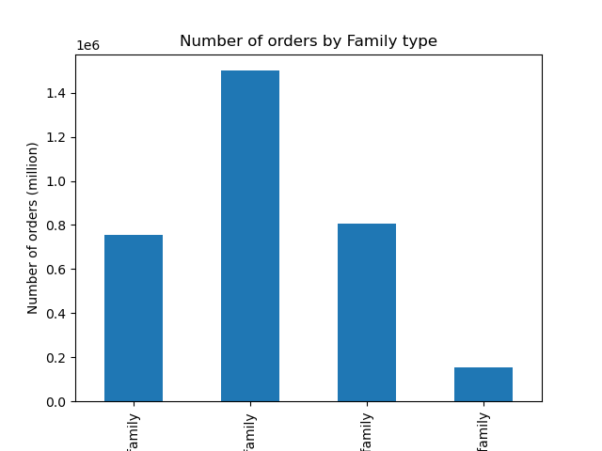
Frequency (million)
Extended-family Nuclear-family Single-family Single-parent-family
Family Type
Frequencies of Order by the Family Type
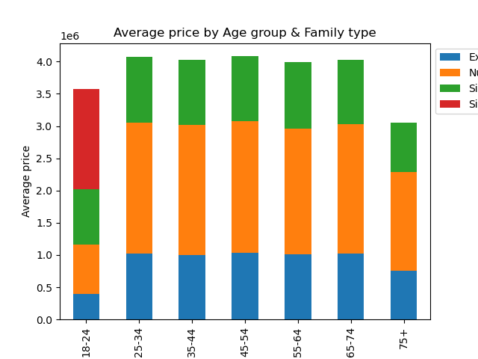

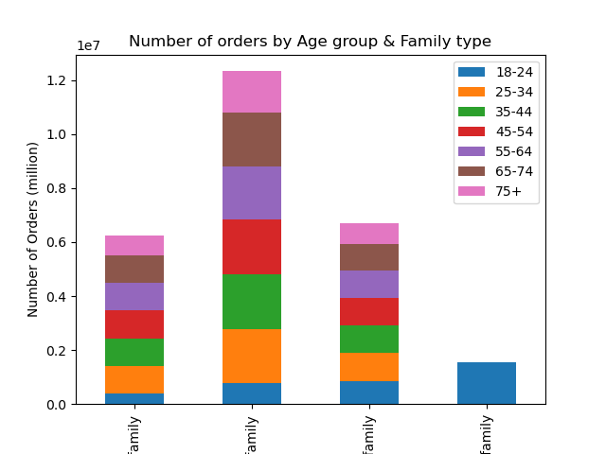

5. The marketing and sales teams are particularly interested in the different types of customers in their system,
and how their ordering behaviors differ. For example:
5.5. What different classifications does the demographic information suggest?
Age? Income? Certain types of goods? Family status?

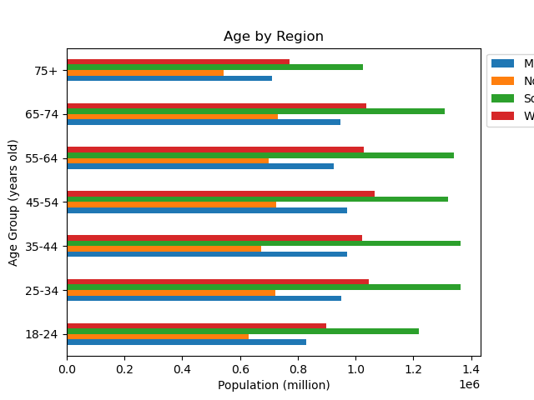
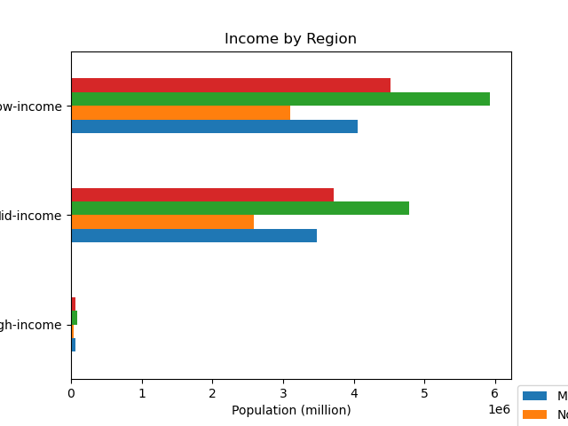

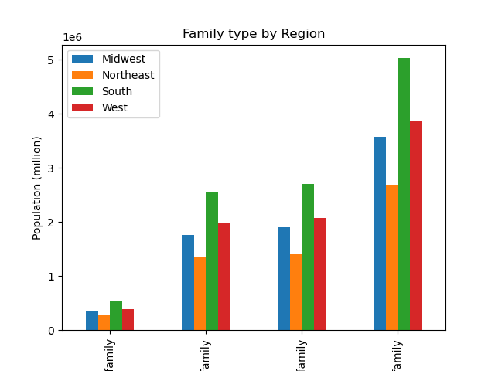

5. The marketing and sales teams are particularly interested in the different types of customers in their system,
and how their ordering behaviors differ. For example:
5.6. What differences can you find in ordering habits of different customer profiles?
Consider the price of orders, the frequency of orders, the products customers are ordering, and anything else you can think of.
- Price of orders:

- The products customers are ordering

7. Recommendations
Title page

Recommendations

In this tab you should include any recommendations you would made to Instcart in terms of their marketing strategy based on the questions posed in the brief. Every key question has been covered in the Tasks of the Exercises - here you need to add an item - a visualisation or table/crosstable that is showing the answer in the data, acompanied by a comment from you. Please, list the questions below and add the answer underneath.

Question 1.
The sales team needs to know what the busiest days of the week and hours of the day are.
(i.e., the days and times with the most orders) in order to schedule ads at times when there are fewer orders.
Answer (Please refer to the corresponding chart in '6. Visualization' tab)
- Busiest Days of the Week : Saturday > Sunday (> Friday > Monday > Thursday > Tuesday > Wednesday)
- Busiest Hour of Day: 9am - 4pm

Question 2.
They also want to know whether there are particular times of the day when people spend the most money,
(as this might inform the type of products they advertise at these times.)
Answer (Please refer to the corresponding chart in '6. Visualization' tab)
- Highest average price is between about 3 to 7am.
- But the highest order frequency is between about 10am to 4pm
- 0:00-6:00 - Approximately 0.3 or less of the frequencies.
- 6:00-10:00 - Surge from about 0.3 to 2.8ish.
- 10:00-16:00 - Maintain between 2.5 and 3.0 of frequencies. (Peak hours)
- 16:00-19:00 - Plung from 2.5 to 1.0 of frequencies.
- 19:00-24(0):00 - Relatively slower reduction from 1.0 to 0.5 of frequencies.

Question 3.
Marketing and sales want to use simpler price range groupings to help direct their efforts.
(Instacart has a lot of products with different price tags.)
Answer (Please refer to the corresponding chart in '6. Visualization' tab)
count 3.099266e+07
mean 7.795261e+00
std 4.241616e+00
min 1.000000e+00
25% 4.200000e+00
50% 7.400000e+00
75% 1.130000e+01
max 2.500000e+01
- "Out of 30,992,660 entries total, 99 entries are priced at more than $15 which is 0.0003% of the whole."

Question 4.
Are there certain types of products that are more popular than others?
(The marketing and sales teams want to know which departments have the highest frequency of product orders.)
Answer (Please refer to the corresponding chart in '6. Visualization' tab)
- The 'produce' is the most and significantly popular than others in all the relationships; family-type, age-group, customer's loyalty, and region.
- It is followed by dairy eggs, snacks, beverages, frozen, pantry, and so on.

Question 5.
The marketing and sales teams are particularly interested in the different types of customers in their system, and how their ordering behaviors differ. For example:
5.1. What’s the distribution among users in regards to their brand loyalty?
(i.e., how often do they return to Instacart)?
Answer (Please refer to the corresponding chart in '6. Visualization' tab)
- Frequency by the Loyalty Group:
- Regular customer: 15,891,077 (10 < max_order <= 40)
- Loyal customer: 10,293,737 (max_order > 40)
- New customer: 6,249,398 (max_order <= 10)
5.2. Are there differences in ordering habits based on a customer’s loyalty status?
Answer (Please refer to the corresponding chart in '6. Visualization' tab)
- Loyalty frequency: Regular > Loyal > New
- Daily frequency: Sat >Sun >Fri >Mon <=> Thu > Tue <=> Wed
- Average price: New > Regular > Loyal
- "Average prices of Loyal customers relatively lower than others especialy on Sunday and Thursday."
- "While loyal and regular customers have a big difference in average price depends on time, new customers have a relatively small difference."
5.3. Are there differences in ordering habits based on a customer’s region?
Answer (Please refer to the corresponding chart in '6. Visualization' tab)
- Regional frequency: South > West > Midwest > Northeast
- Daily frequency: Sat >Sun >Fri >Mon <=> Thu > Tue <=> Wed
- "Regardless of the region, the size of the high-spender is only about 2% compared to the low-spender."
- "Average prices in the Northeast drop noticeably on Tuesday."
- "While the average price in the West and the Northeast has surged noticeably between 2-4 am, the South and Midwest have dropped sharply."
- "The average price is the lowest around 10-11 am."
5.4. Is there a connection between age and family status in terms of ordering habits?
Answer (Please refer to the corresponding chart in '6. Visualization' tab)
- Age group frequency: 25-34, 35-44, 45-54, 65-74 > 18-24 > 75+
- Family type frequency: Nuclear > Extended <=> Single > Single-parent
- Daily frequency: Sat >Sun >Fri > Mon <=> Thu > Tue <=> Wed
- Hourly frequency: 10am-4pm > 6:30-8:30am <=> 4-7:30pm > 0-6:30am <=> 11pm-12am
- "Regardless of the region, the size of the high-spender is only about 2% compared to the low-spender."
- "Average prices in the Northeast drop noticeably on Tuesday."
- "While the average price in the West and the Northeast has surged noticeably between 2-4 am, the South and Midwest have dropped sharply."
- "The average price is the lowest around 10-11 am."
- "All family types consist of similar proportions for all age groups, except for the 18-24 age group and Single-parent family
5.5. What different classifications does the demographic information suggest?
Age? Income? Certain types of goods? Family status?
Answer (Please refer to the corresponding chart in '6. Visualization' tab)
- Age group by Region
- Family type by Region
- Income group by Region
- Distribution of Income by the Ages
- Frequency of the Department by the Region
5.6. What differences can you find in ordering habits of different customer profiles?
Consider the price of orders, the frequency of orders, the products customers are ordering, and anything else you can think of.
Answer (Please refer to the corresponding chart in '6. Visualization' tab)
- Price of orders:
- Highest average price is between about 3 to 7am
- The frequency of orders:
- "Out of 30,992,660 entries total, 99 entries are priced at more than $15 which is 0.0003% of the whole."
- Busiest Days of the Week : Saturday > Sunday (> Friday > Monday > Thursday > Tuesday > Wednesday)
- Busiest Hour of Day: 9am - 4pm
- "The most ordered product for all home types is Produce.."
- The products customers are ordering
- The best-selling product is bananas, followed by a bag of organic bananas, organic strawberries, organic baby spinach, organic hass avocado, large lemon, strawberries, limes, and so on.
- It is notable that 18 of the top 25 products contain the word, "organic."

Recommendations
1. Orders typically decrease after 5pm and reach their lowest point between midnight and 6am. To target times with fewer orders for advertising, I recommend running ads after 6pm, when people finish work and orders begin to decrease. However, in my opinion, it's advisable to enhance such advertising by introducing special events like discounts or Buy One Get One (BOGO) offers during low-order periods. Additionally, I suggest considering advertising during peak order times to challenge and set new sales records.
2. Irrespective of region, age, family type, or income, there is a notable preference for purchasing produce. Specifically, 18 out of the top 25 items are organic products, which tend to be higher in price. Therefore, I recommend focusing marketing efforts on organic products between 9am and 4pm when orders are at their highest.
3. Regular customers have the potential to become loyal, and new customers have the potential to become regular customers. Consequently, maintaining a customer base where the proportion follows the sequence of Regular > Loyal > New is indicative of a healthy and effective customer management strategy.
4. During the hours of 8am to 11am, both regular and loyal customers tend to place orders with the lowest average order prices. Consequently, it may be necessary to implement additional strategies during this time frame to increase average order values.
5. Instacart's regional distribution indicates a hierarchy of popularity: South > West > Midwest > Northeast. Despite its smaller share, the Northeast region boasts a high population density and convenient public transportation. The demographic makeup predominantly consists of young single individuals or nuclear families. Therefore, it is advisable to explore marketing approaches targeting this demographic, potentially including innovative, trendy offline stores such as Amazon Go.
6. Nearly all of the top 25 products ordered belong to the fruits and vegetables category. Consequently, it is recommended to develop marketing initiatives with a focus on vegetarians.

